Bug report
QA |  |  |  |  |  |  |  |  |  | Dev
Bug ID | ModuleName | Description | TCID | Steps to replicate bug | Screenshot | Sevirity | Priority | Reported By | Assigned to | Resolution | Status | Fixed Date
SPA_001 | SPA_Loginpage | login should be fails when the username or password are entered with incorrect capitalization. | SPA_TS01_TC06 | 1.open a browser 2.search url 3.Page should redirect to login page 4.Enter Username and Password with invalid capitalization 5.click on Login button | 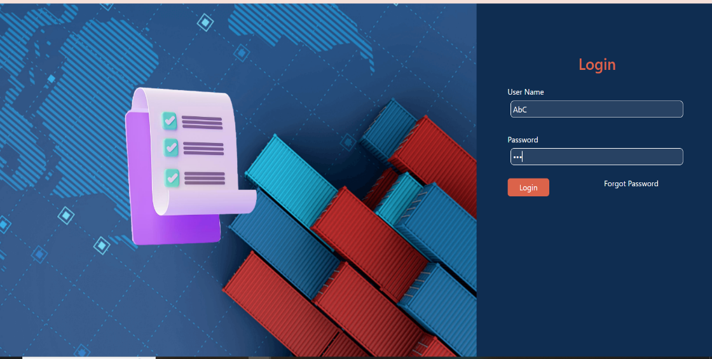 | S1 | P1 | Avinash | Omkar | Accepted | close | 10-Sep-24
SPA_002 | SPA_Loginpage | Forgot Password functionality not working | SPA_TS01_TC04 | 1.open a browser 2.search url 3.Page should redirect to login page 4.Enter Username 5.Click on forgot button | 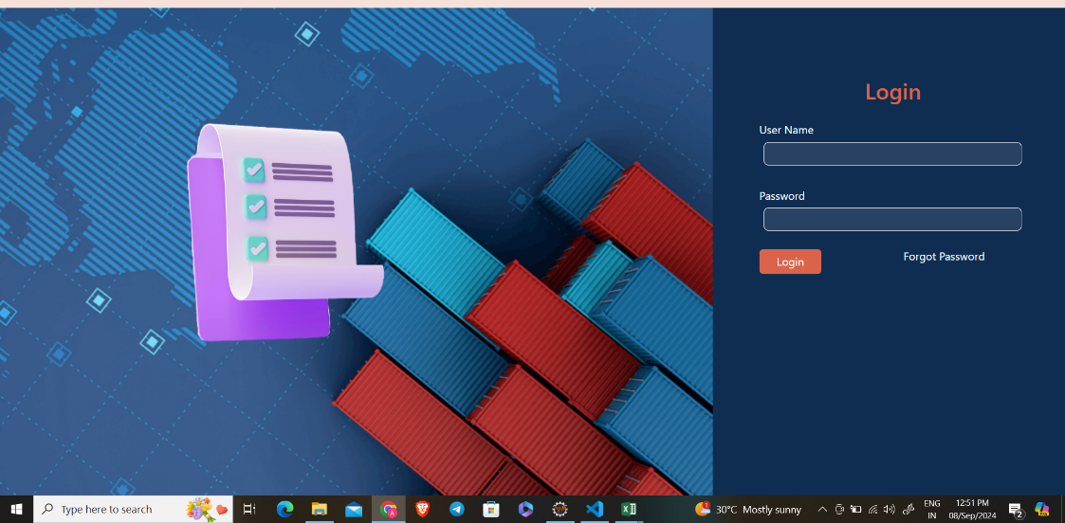 | S1 | P1 | Avinash | Omkar | Accepted | close | 10-Sep-24
SPA_003 | SPA_CreateInvoice | Buissness Details Should contain Name , Address , Mobile and Email : Mobile number and email Id not present | SPA_TS02_TC05 | 1.Enter URL 2.Enter login details 3.Create Invoice | 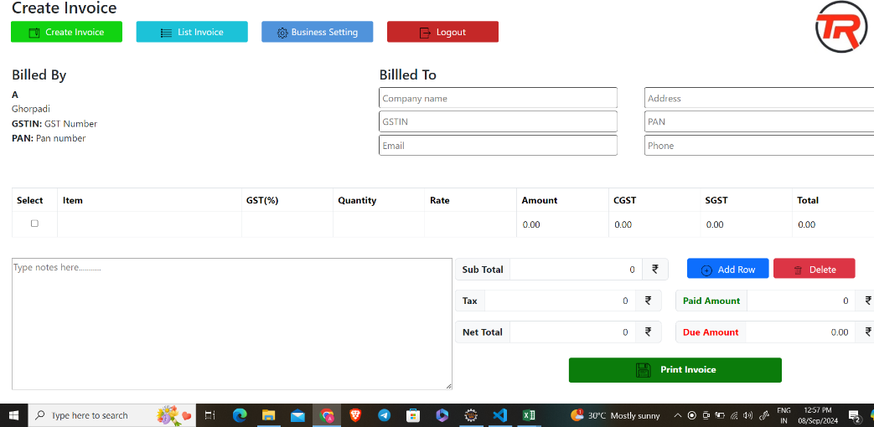 | S2 | P1 | Avinash | Omkar | Accepted | Close | 10-Sep-24
SPA_004 | SPA_CreateInvoice | Mobile number input should contain only 10 digit | SPA_TS02_TC08 | 1.Enter URL 2.Enter login details 3.Create Invoice 4.Enter Mobile number |  | S2 | P2 | Avinash | Omkar | Accepted | Close | 10-Sep-24
SPA_005 | SPA_CreateInvoice | Vetify that Mobile number should not be same for different company, Error message should be displayed | SPA_TS02_TC09 | 1.Enter URL 2.Enter login details 3.Create Invoice 4.Enter Mobile number |  | S2 | P2 | Avinash | Omkar | Accepted | Close | 10-Sep-24
SPA_006 | SPA_CreateInvoice | pan number validation should Capital word and number combination and should be only 10 digit | SPA_TS02_TC10 | 1.Enter URL 2.Enter login details 3.Create Invoice 4.Enter PAN number |  | S2 | P2 | Avinash | Omkar | Accepted | Close | 10-Sep-24
SPA_007 | SPA_Business Setting | upload image type should image type only like jpg jpeg png | SPA_TS04_TC03 | 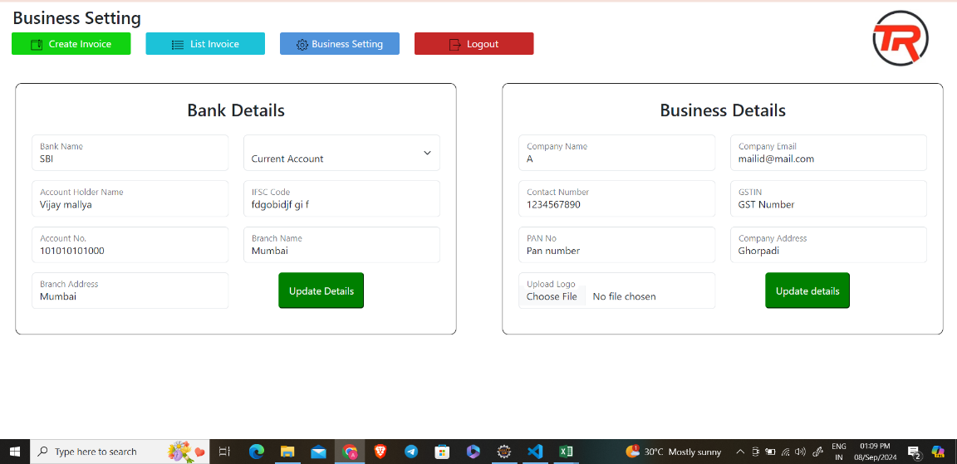 |  | S3 | P3 | Avinash | Omkar | Accepted | Close | 10-Sep-24
SPA_008 | SPA_Business Setting | User should successfully update the business logo. | SPA_TS04_TC04 |  |  | S4 | P3 | Avinash | Omkar | Accepted | Close | 10-Sep-24
SPA_009 | SPA_Business Setting | Input validations for Business Details are not appropriate | SPA_TS04_TC05 |  |  | S2 | P2 | Avinash | Omkar | Accepted | Close | 10-Sep-24
SPA_010

